LEFT()
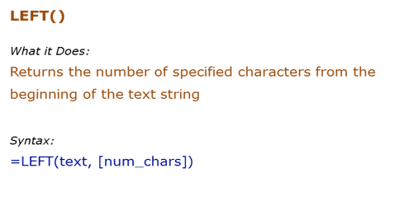
Data Used in Formula
Acciojobs

Formula | Result | Description
=LEFT("Hello",2) | He | Extract 2 characters from the left of the text Hello
=LEFT(B3,2) | Ac | Extract 2 characters from the left of the text Hello
=LEFT(B3) | A | If the number of characters are not specified, the first character from the left is extracted
=LEFT(B3,8) | Acciojob | If the number of characters specified is greater than the length of the text, entire text is returned

RIGHT()
Data Used in Formula
Acciojobs
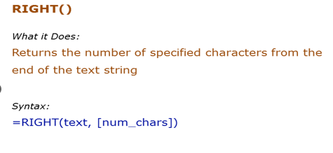

Formula | Result | Description
=RIGHT("Hello",2) | lo | Extract 2 characters from the right of the text Hello
=RIGHT(B3,2) | bs | Extract 2 characters from the right of the text Hello
=RIGHT(B3) | s | If the number of characters are not specified, the first character from the right is extracted
=RIGHT(B3,8) | cciojobs | If the number of characters specified is greater than the length of the text, entire text is returned

MID()
Data Used in Formula
Acciojobs
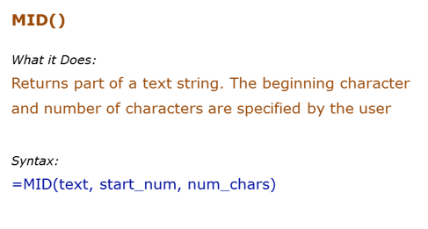

Formula | Result | Description
=MID("Namastey",1,2) | Na | Extracts 2 characters beginning from the 1st character
=MID(B3,7,5) | obs | Extracts 5 characters beginning from the 7th character
=MID(B3,15,5) |  | If the start number is larger than the length of the string, formula returns a blank ("")
=MID(B3,2,15) | cciojobs | If the number of characters specified are larger than the total number of characters, the entire string is returned (beginning from the starting number)

LEN()
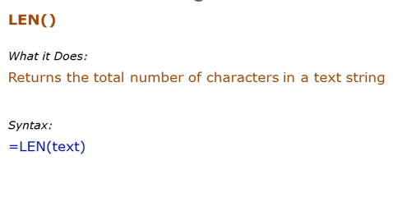
Data Used in Formula
Hello | 123

Formula | Result | Description
=LEN("Hello") | 5 | Returns the number of characters in the text Hello
=LEN(A2) | 5 | Returns the number of characters in the text Hello (which is in cell A2)
=LEN("123") | 3 | Returns the number of characters for numbers as well
=LEN(B2) | 3 | Returns the number of characters for numbers as well

LOWER
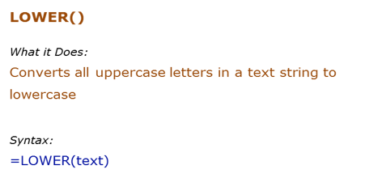
Data Used in Formula
HELLO | HelLo

Formula | Result | Description
=LOWER("HELLO") | hello | All upper case alphabets are converted to lower case
=Lower(c2) | hello | All upper case alphabets (in cell A2) are converted to lower case

PROPER()
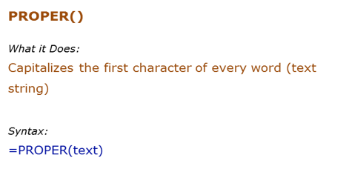
Data Used in Formula
acciOjobS
It's Awesome

Formula | Result | Description
=PROPER("hello") | Hello | Capitalizes the first alphabet of the word, and rest all are converted to lower case
=PROPER(A2) | Acciojobs | Capitalizes the first alphabet of each word, and rest all are converted to lower case

UPPER()
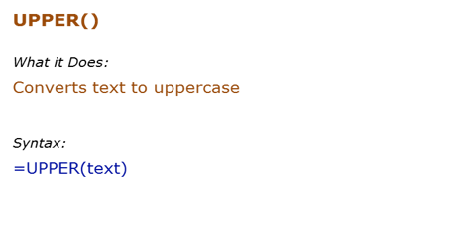
Data Used in Formula
hello | HelLo

Formula | Result | Description
=UPPER("hello") | HELLO | All lower case alphabets are converted to upper case
=UPPER(A2) | HELLO | All lower case alphabets (in cell A2) are converted to upper case

FIND()
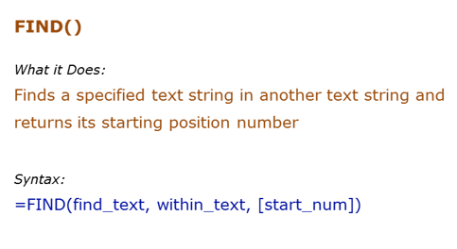
Data Used in Formula
Excel | E
Excellent Excel

Formula | Result | Description
=FIND("E",B3) | 1 | Finds the first occurrence of "E" in Excel. Since we did not give the start number, it used the default value of 1
=FIND("E",B3,1) | 1 | Finds the first occurrence of "E" in Excel. Specified the start number as 1 in this case.

REPLACE()
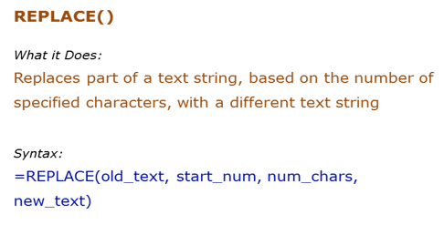
Data Used in Formula
abcdefghij
acciojobs@gmail.com

Formula | Result | Description
=REPLACE(B3,5,4,"*") | abcd*ij | Starts from the 5th character ("e") and replace 4 characters (efgh)with an asterisk (*)
=REPLACE(B4,11,12,"") | acciojobs@ | Removes the "gmail.com" with a blank

SUBSTITUTE()
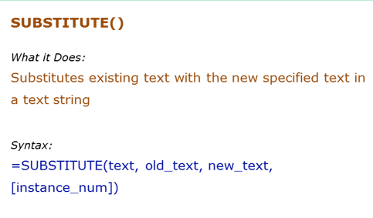
Data Used in Formula
abcdabcdabcd

Formula | Result | Description
=SUBSTITUTE(B3,"a","Z",1) | Zbcdabcdabcd | Replaced the first "a" by "Z".
=SUBSTITUTE(B3,"a","Z",3) | abcdabcdZbcd | Replaced the third "a" by "Z".

INT function
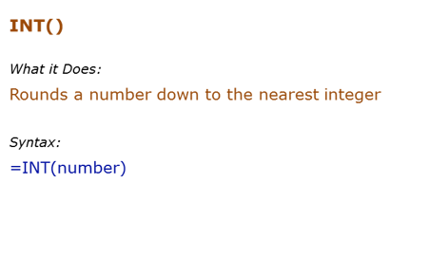
Data Used in Formula
12.2
12.9
-12.2

Formula | Result | Description
=INT(B3) | 12 | Returns the integer part
=INT(b4) | 12 | Returns the integer part
=INT(b5 | -13 | If negative, returns the integer part by rounding away from 0

Rand()
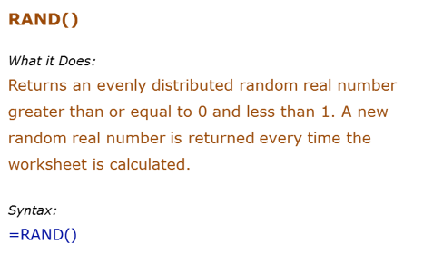
Formula | Result | Description
=Rand() | 0.48726239491 | Returns a random number between 0 and 1. It changes when ever there is any calculation or when F9 is pressed
=Rand() | 0.88767311619
=Rand() | 0.67977443674
=Rand() | 0.47694819321

Round()
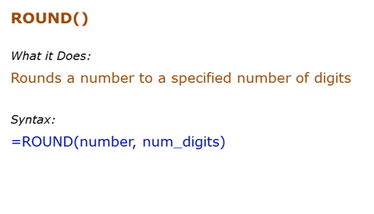
Formula | Result | Description
=ROUND(500.51,1) | 500.5 | Rounds to 1 decimal place
=ROUND(500.55,1) | 500.6 | Rounds to 1 decimal place

